1 var
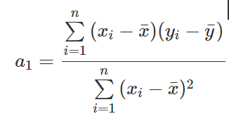
t | Expences (Y) | Earnings (X) | Yi-𝑌 ̅ | Xi-X ̅ | (Yi-𝑌 ̅)*(Xi-X ̅) | (Xi-X ̅)^2
1 | 2,300.00 | 2,600.00
2 | 1,800.00 | 2,400.00
3 | 2,400.00 | 2,900.00
4 | 2,300.00 | 2,800.00
5 | 2,800.00 | 3,000.00
6 | 2,000.00 | 2,500.00
7 | 2,100.00 | 2,700.00
Sum |  |  |  |  | - | -
mean

 |  |  |  |  | a1
 |  |  |  |  | a0

 |  |  |  |  | Yi=

2 var
 |  |  |  | 1 | 2 |  | 3
t | yi | x1i | x2i | X1i-X1sr | yi-ysr | 1*2 | x2i-x2sr | (x2i-x2sr)^2 | (3)*(2) | (X1i-X1sr)*(X2i-X2sr) | (X1i-X1sr)^2
1 | 10 | 2 | 1
2 | 12 | 1 | 1
3 | 13 | 2 | 2
4 | 15 | 1 | 3
5 | 20 | 4 | 3
Sum | 70 | 10 | 10 | 0 | 0 | 0 | 0 | 0 | 0 | 0 | 0
Mean
(1)

(1)
 |  |  |  |  |  |  |  |  |  |  |  |  | b1 | b2
 |  |  |  |  |  |  |  |  |  |  |  | (1)
 |  |  |  |  |  |  |  |  |  |  |  | (2)
 |  |  |  |  |  |  |  |  |  |  |  | (3)
 |  |  |  |  |  |  |  |  |  |  |  | (4)

 |  |  |  |  |  |  |  |  |  |  |  | b1
 |  |  |  |  |  |  |  |  |  |  |  | b2
 |  |  |  |  |  |  |  |  |  |  |  | b0

